Sheet1
Name | Description | Image
ES 1010GP-2SFP | RJ45 Port: 8x 10/100/1000T(x),auto-negotiation speed duplex mode, auto MDI/MDI-X Fiber Port: 2x 100/1000F(x) SFP Slot IEEE 802.3 10BaseT 8G+2GSFP Industrial Unmanaged PoE+ Gigabit Ethernet Switch | 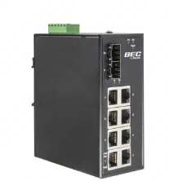 Switch\Switch_Images\ES_1010GP-2SFP.jpg

ES 1010G-2SFP | RJ45 Port:8x 10/100/1000T(x),auto-negotiation speed duplex mode, auto MDI/MDI-X Fiber Port: 2x 100/1000F(x) SFP Slot IEEE 802.3u 100BaseTX 8G+2GSFP Industrial Unmanaged Gigabit Ethernet Switch | 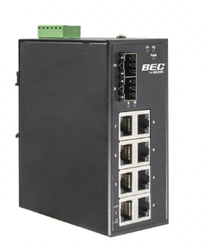 Switch\Switch_Images\ES_1010G-2SFP.jpg

MDC 1001G | RJ45 Port: 10/100/1000Base-T Auto MDI/MDI-X and Auto negotiation Function "Fiber Port: 100/1000Base-X SFP Slot IEEE 802.3u IEEE 802.3ab" | 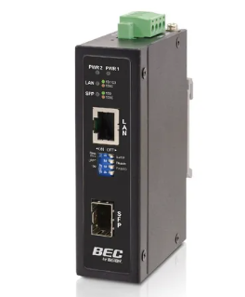 Switch\Switch_Images\MDC_1001G.jpg

ES 4010P-M12 | Network Connector: 8x 10/100T(x) M12 Female D-coded 4-pole with PoE+ 2x 10/100/1000T(x) M12 Female X-coded 8-pole, auto negotiation speed duplex mode, auto MDI/MDI-X IEEE 802.3u 100BaseTX IEEE 802.3at PoE+ 10 Port M12 Industrial Managed PoE+ Booster Gigabit Ethernet Switch | 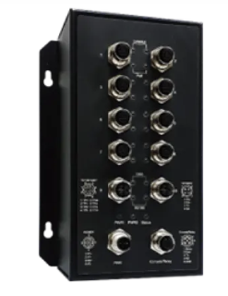 Switch\Switch_Images\ES_4010P-M12.jpg
ES 4010GP-2SFP | RJ45 Port: 8x 10/100/1000T(x) with PoE+, auto negotiation speed duplex mode, auto MDI/MDI-X "Fiber Port: 2x 100/1000/2500F(x) SFP Slot IEEE 802.3 10BaseT IEEE 802.3u 100BaseTX IEEE 802.3ab 1000BaseT" | 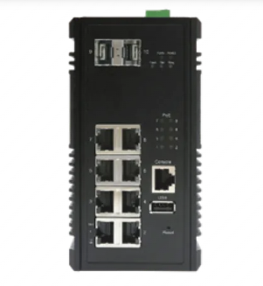 Switch\Switch_Images\ES_4010GP-2SFP.jpg

